Jeddah Areas
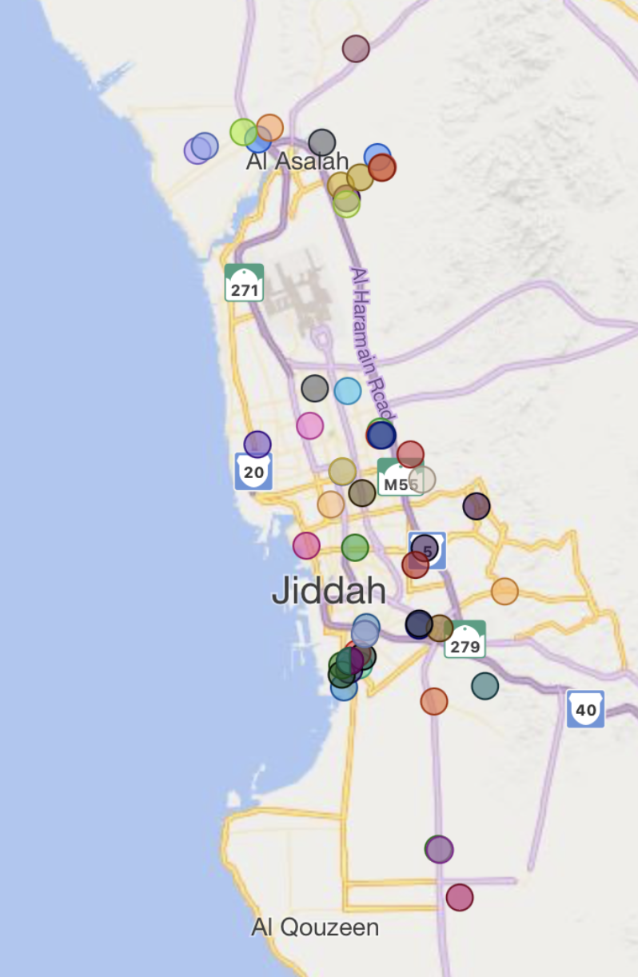
 | Area 1 | Area 2 | Area 3 | Area 4 | Area 5 | Area 6 | Area 7 | Area 8
1 | 21.83302, 39.00632 | 21.88528, 39.12545 | 21.69560, 39.08666 | 21.68986, 39.20339 | 21.54080, 39.11001 | 21.56603, 39.23154 | 21.45136, 39.16768 | 21.47979, 39.27171
2 | 21.88528, 39.12545 | 21.90822, 39.18004 | 21.73515, 39.18897 | 21.71219, 39.25489 | 21.56603, 39.23154 | 21.58550, 39.30810 | 21.47979, 39.27171 | 21.49545, 39.33694
3 | 21.69560 , 39.08666 | 21.68986, 39.20339 | 21.54080, 39.11001 | 21.56603, 39.23154 | 21.45136, 39.16768 | 21.47979, 39.27171 | 21.20878, 39.16185 | 21.25743, 39.26278
4 | 21.73515, 39.18897 | 21.71219, 39.25489 | 21.56603, 39.23154 | 21.58614, 39.30810 | 21.47979, 39.27171 | 21.49545, 39.33694 | 21.25743, 39.26278 | 21.25807, 39.26347
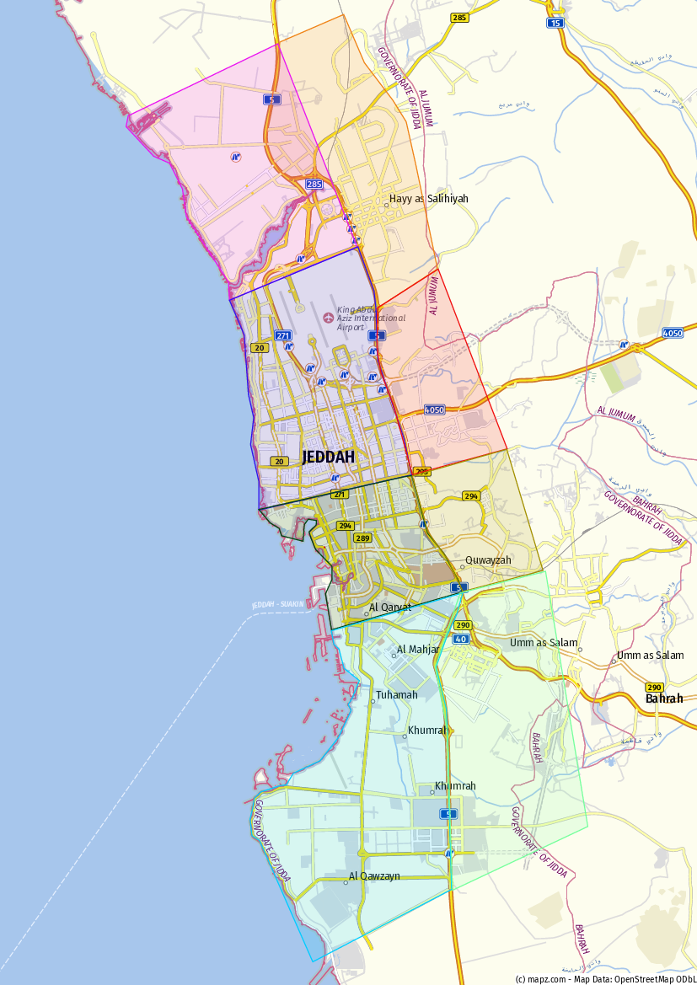
 |  |  |  |  | Current customers locations |  |  | Click here for the map link

Customers Classification A
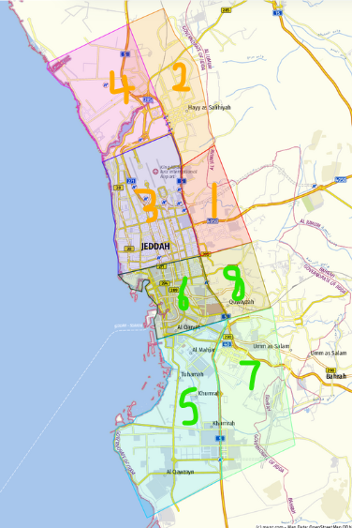
customerNo | Latitude | Longitude | Location | zone | Number
100022 | 21.78962485 | 39.12966513 | 21.78962485,39.12966513 | 4 | 1 | Row Labels | Sum of Number
100096 | 21.4607257 | 39.2468377 | 21.4607257,39.2468377 | 6 | 1 | 1 | 2
100099 | 21.40930802 | 39.25782021 | 21.40930802,39.25782021 | 7 | 1 | 2 | 9
100192 | 21.74981428 | 39.19414742 | 21.74981428,39.19414742 | 2 | 1 | 3 | 11
100258 | 21.51479333 | 39.16489833 | 21.51479333,39.16489833 | 6 | 1 | 4 | 5
100297 | 21.58334166 | 39.12929166 | 21.58334166,39.12929166 | 3 | 1 | 5 | 15
100364 | 21.75840166 | 39.189875 | 21.75840166,39.189875 | 2 | 1 | 6 | 8
100388 | 21.576593 | 39.24061 | 21.576593,39.24061 | 1 | 1 | 7 | 5
100452 | 21.41975666 | 39.29488833 | 21.41975666,39.29488833 | 7 | 1 | 8 | 1
100480 | 21.309315 | 39.260828333 | 21.309315,39.2608283333333 | 5 | 1 | (blank)
100491 | 21.61951666 | 39.19491833 | 21.61951666,39.19491833 | 3 | 1 | Grand Total | 56
100495 | 21.77768574 | 39.21662264 | 21.77768574,39.21662264 | 2 | 1
100574 | 21.79755704 | 39.13822987 | 21.79755704,39.13822987 | 4 | 1 | Numbers of customers in each area based on their location
100575 | 21.30870532 | 39.26200066 | 21.30870532,39.26200066 | 7 | 1
100956 | 21.5959682 | 39.1674466 | 21.5959682,39.1674466 | 3 | 1
100997 | 21.78201066 | 39.08563463 | 21.78201066,39.08563463 | 4 | 1
101605 | 21.76398492 | 39.20398858 | 21.76398492,39.20398858 | 2 | 1
101617 | 21.7710044 | 39.2204109 | 21.7710044,39.2204109 | 2 | 1
101709 | 21.43381696 | 39.20308027 | 21.43381696,39.20308027 | 5 | 1
101718 | 21.59208767 | 39.21878148 | 21.59208767,39.21878148 | 3 | 1
101720 | 21.41888093 | 39.19221498 | 21.41888093,39.19221498 | 5 | 1
101725 | 21.56484246 | 39.19117289 | 21.56484246,39.19117289 | 3 | 1
101726 | 21.58954062 | 39.21799285 | 21.58954062,39.21799285 | 3 | 1
101728 | 21.43699533 | 39.19666294 | 21.43699533,39.19666294 | 5 | 1
101730 | 21.43623019 | 39.19652984 | 21.43623019,39.19652984 | 5 | 1
101732 | 21.430755 | 39.195945 | 21.430755,39.195945 | 5 | 1
101734 | 21.45884577 | 39.26184909 | 21.45884577,39.26184909 | 5 | 1
101736 | 21.44191467 | 39.20195287 | 21.44191467,39.20195287 | 5 | 1
101737 | 21.43699533 | 39.19666294 | 21.43699533,39.19666294 | 5 | 1
101743 | 21.4337653 | 39.19091618 | 21.4337653,39.19091618 | 5 | 1
101745 | 21.58959796 | 39.22022766 | 21.58959796,39.22022766 | 3 | 1
101747 | 21.43649657 | 39.19649943 | 21.43649657,39.19649943 | 5 | 1
101765 | 21.770426 | 39.219738 | 21.770426,39.219738 | 2 | 1
101773 | 21.5414813 | 39.2886656 | 21.5414813,39.2886656 | 1 | 1
101894 | 21.27643333 | 39.276445 | 21.27643333,39.276445 | 7 | 1
101906 | 21.51312667 | 39.25092833 | 21.51312667,39.25092833 | 6 | 1
101936 | 21.55039 | 39.205445 | 21.55039,39.205445 | 3 | 1
102100 | 21.51347202 | 39.20027886 | 21.51347202,39.20027886 | 6 | 1
102215 | 21.501795 | 39.244198333 | 21.501795,39.2441983333 | 6 | 1
102231 | 21.439656667 | 39.205736667 | 21.4396566667,39.2057366667 | 5 | 1
102264 | 21.427491667 | 39.190563333 | 21.4274916667,39.1905633333 | 5 | 1
102309 | 21.462075 | 39.246963333 | 21.462075,39.2469633333 | 6 | 1
102854 | 21.483831117 | 39.309263499 | 21.4838311169,39.3092634995 | 7 | 1
102985 | 21.794575467 | 39.119127318 | 21.7945754668,39.1191273183 | 4 | 1
103345 | 21.621246887 | 39.171012389 | 21.6212468874,39.1710123885 | 3 | 1
103514 | 21.78516347 | 39.090916933 | 21.7851634696,39.0909169335 | 4 | 1
103519 | 21.565208333 | 39.191098333 | 21.5652083333,39.1910983333 | 3 | 1
103589 | 21.850896667 | 39.200908333 | 21.8508966666667,39.2009083333333 | 2 | 1
103678 | 21.589451667 | 39.219121667 | 21.5894516667,39.2191216667 | 3 | 1
103836 | 21.55959887 | 39.249095852 | 21.5595988696,39.2490958516 | 8 | 1
103932 | 21.45966 | 39.208581667 | 21.45966,39.2085816667 | 6 | 1
103947 | 21.787484586 | 39.176217802 | 21.7874845862,39.1762178019 | 2 | 1
104054 | 21.54267 | 39.182646667 | 21.54267,39.1826466667 | 6 | 1
104085 | 21.745881667 | 39.19407 | 21.7458816667,39.19407 | 2 | 1
104166 | 21.454958333 | 39.207411667 | 21.4549583333,39.2074116667 | 5 | 1
104174 | 21.455005 | 39.207346667 | 21.455005,39.2073466667 | 5 | 1

Customers Classification B
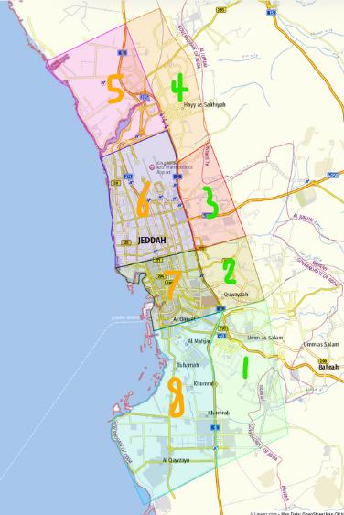
customerNo | Latitude | Longitude | Location | UPDATED ZONE | Number
100022 | 21.78962485 | 39.12966513 | 21.78962485,39.12966513 | 5 | 1 | Row Labels | Sum of Number
100096 | 21.4607257 | 39.2468377 | 21.4607257,39.2468377 | 7 | 1 | 1 | 5
100099 | 21.40930802 | 39.25782021 | 21.40930802,39.25782021 | 1 | 1 | 2 | 1
100192 | 21.74981428 | 39.19414742 | 21.74981428,39.19414742 | 4 | 1 | 3 | 2
100258 | 21.51479333 | 39.16489833 | 21.51479333,39.16489833 | 7 | 1 | 4 | 9
100297 | 21.58334166 | 39.12929166 | 21.58334166,39.12929166 | 6 | 1 | 5 | 5
100364 | 21.75840166 | 39.189875 | 21.75840166,39.189875 | 4 | 1 | 6 | 11
100388 | 21.576593 | 39.24061 | 21.576593,39.24061 | 3 | 1 | 7 | 8
100452 | 21.41975666 | 39.29488833 | 21.41975666,39.29488833 | 1 | 1 | 8 | 15
100480 | 21.309315 | 39.260828333 | 21.309315,39.2608283333333 | 8 | 1 | (blank)
100491 | 21.61951666 | 39.19491833 | 21.61951666,39.19491833 | 6 | 1 | Grand Total | 56
100495 | 21.77768574 | 39.21662264 | 21.77768574,39.21662264 | 4 | 1
100574 | 21.79755704 | 39.13822987 | 21.79755704,39.13822987 | 5 | 1 | Numbers of customers in each area based on their location
100575 | 21.30870532 | 39.26200066 | 21.30870532,39.26200066 | 1 | 1
100956 | 21.5959682 | 39.1674466 | 21.5959682,39.1674466 | 6 | 1
100997 | 21.78201066 | 39.08563463 | 21.78201066,39.08563463 | 5 | 1
101605 | 21.76398492 | 39.20398858 | 21.76398492,39.20398858 | 4 | 1
101617 | 21.7710044 | 39.2204109 | 21.7710044,39.2204109 | 4 | 1
101709 | 21.43381696 | 39.20308027 | 21.43381696,39.20308027 | 8 | 1
101718 | 21.59208767 | 39.21878148 | 21.59208767,39.21878148 | 6 | 1
101720 | 21.41888093 | 39.19221498 | 21.41888093,39.19221498 | 8 | 1
101725 | 21.56484246 | 39.19117289 | 21.56484246,39.19117289 | 6 | 1
101726 | 21.58954062 | 39.21799285 | 21.58954062,39.21799285 | 6 | 1
101728 | 21.43699533 | 39.19666294 | 21.43699533,39.19666294 | 8 | 1
101730 | 21.43623019 | 39.19652984 | 21.43623019,39.19652984 | 8 | 1
101732 | 21.430755 | 39.195945 | 21.430755,39.195945 | 8 | 1
101734 | 21.45884577 | 39.26184909 | 21.45884577,39.26184909 | 8 | 1
101736 | 21.44191467 | 39.20195287 | 21.44191467,39.20195287 | 8 | 1
101737 | 21.43699533 | 39.19666294 | 21.43699533,39.19666294 | 8 | 1
101743 | 21.4337653 | 39.19091618 | 21.4337653,39.19091618 | 8 | 1
101745 | 21.58959796 | 39.22022766 | 21.58959796,39.22022766 | 6 | 1
101747 | 21.43649657 | 39.19649943 | 21.43649657,39.19649943 | 8 | 1
101765 | 21.770426 | 39.219738 | 21.770426,39.219738 | 4 | 1
101773 | 21.5414813 | 39.2886656 | 21.5414813,39.2886656 | 3 | 1
101894 | 21.27643333 | 39.276445 | 21.27643333,39.276445 | 1 | 1
101906 | 21.51312667 | 39.25092833 | 21.51312667,39.25092833 | 7 | 1
101936 | 21.55039 | 39.205445 | 21.55039,39.205445 | 6 | 1
102100 | 21.51347202 | 39.20027886 | 21.51347202,39.20027886 | 7 | 1
102215 | 21.501795 | 39.244198333 | 21.501795,39.2441983333 | 7 | 1
102231 | 21.439656667 | 39.205736667 | 21.4396566667,39.2057366667 | 8 | 1
102264 | 21.427491667 | 39.190563333 | 21.4274916667,39.1905633333 | 8 | 1
102309 | 21.462075 | 39.246963333 | 21.462075,39.2469633333 | 7 | 1
102854 | 21.483831117 | 39.309263499 | 21.4838311169,39.3092634995 | 1 | 1
102985 | 21.794575467 | 39.119127318 | 21.7945754668,39.1191273183 | 5 | 1
103345 | 21.621246887 | 39.171012389 | 21.6212468874,39.1710123885 | 6 | 1
103514 | 21.78516347 | 39.090916933 | 21.7851634696,39.0909169335 | 5 | 1
103519 | 21.565208333 | 39.191098333 | 21.5652083333,39.1910983333 | 6 | 1
103589 | 21.850896667 | 39.200908333 | 21.8508966666667,39.2009083333333 | 4 | 1
103678 | 21.589451667 | 39.219121667 | 21.5894516667,39.2191216667 | 6 | 1
103836 | 21.55959887 | 39.249095852 | 21.5595988696,39.2490958516 | 2 | 1
103932 | 21.45966 | 39.208581667 | 21.45966,39.2085816667 | 7 | 1
103947 | 21.787484586 | 39.176217802 | 21.7874845862,39.1762178019 | 4 | 1
104054 | 21.54267 | 39.182646667 | 21.54267,39.1826466667 | 7 | 1
104085 | 21.745881667 | 39.19407 | 21.7458816667,39.19407 | 4 | 1
104166 | 21.454958333 | 39.207411667 | 21.4549583333,39.2074116667 | 8 | 1
104174 | 21.455005 | 39.207346667 | 21.455005,39.2073466667 | 8 | 1

